Dashboard
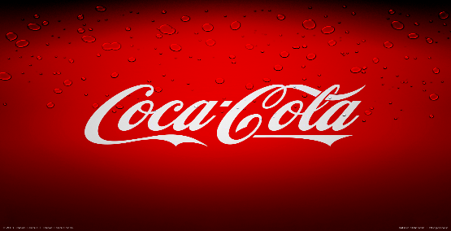
Coca-Cola USA Retailer Dashboard
Figures in USD

Total Sales
Units Sold
Average Operating Profit
Average Price

$2,01,65,120
$38,20,946
$95,92,932
$0.44

Sales By Beverage Brand |  |  |  | Sales By Retailer
Brand | Sales 2022 | Sales 2023 | Variance | Brand | Sales 2022 | Sales 2023 | Variance
Coca-Cola | $499,102 | $2,268,975 | $1,769,873 | Amazon | $276,210 | $1,009,699 | $1,285,909
Dasani Water | $469,271 | $1,917,828 | $1,448,557 | BevCo | $466,788 | $2,327,607 | $2,794,395
Diet Coke | $423,759 | $1,633,959 | $1,210,201 | FizzyCo | $161,210 | $2,262,827 | $2,424,037
Fanta | $315,489 | $1,116,063 | $800,574 | Target | $9,250 | $1,341,995 | $1,351,245
Coca-Cola | 5933200
Dasani Water | 4338270
Diet Coke | 4355260
Fanta | 3172360
Powerade | 3066830
Sprite | 3922690
Powerade | $349,534 | $1,302,529 | $952,995 | Walmart | $339,913 | $580,211 | $920,124
Sprite | $366,578 | $1,353,578 | $987,000 | West Soda | $1,170,362 | $2,070,594 | $3,240,956
Grand Total | $2,423,733 | $9,592,933 | $7,169,200 | Grand Total | $2,423,732 | $9,592,933 | $12,016,665

Sales and Operating Margin by Quater
 | Sales | Average Operating Margin
Qtr1 | 692776.1 | 0.40174683544
Qtr2 | 644203.9 | 0.4
Qtr3 | 719170.4 | 0.41026548673
Qtr4 | 367582.1 | 0.40243816254
Qtr1 | 1877584.3 | 0.4165704501
Qtr2 | 2379424.8 | 0.42755819477
Qtr3 | 2805752.5 | 0.43470170455
Qtr4 | 2530170.9 | 0.42483932854

